SDG opinion item
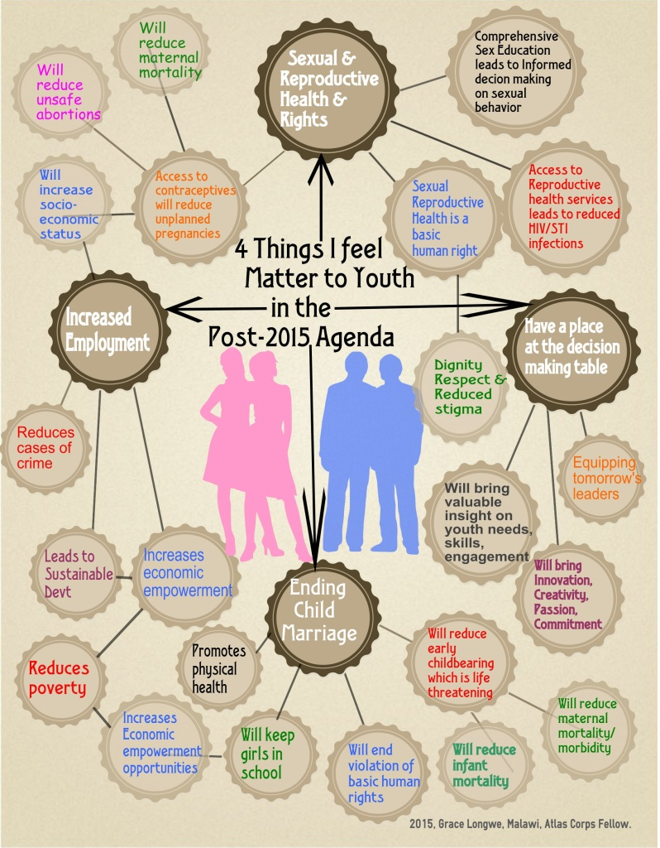
Source: http://www.atlascorps.org/blog/what-matters-to-me-as-a-youth-in-the-post-2015-sustainable-development-agenda/

